HOLWERDA(2011)
Paper | Holwerda (2011)
Paper Title | Quantified H i Morphology V: H i Disks in the Virgo Cluster
link | https://arxiv.org/pdf/1104.3305.pdf
Sample | VIVA
Sample justification quote | this was pulled from their table 1 depending on which galaxies did not show signs of [TIDAL influence, WARP, or STRIPPING, re. image below

table number: | 1
table title | morphological values of VIVA HI
NGC | C | c_error | A | a_error | S | s_error | G | g_error | M20 | m20_error | Gm | gm_error
4189 | 1.156 | 0.106 | 2.000 | 0.000 | 0.154 | 0.030 | 0.346 | 0.011 | -0.691 | 0.019 | 0.266 | 0.077
4216 | 0.993 | 0.284 | 2.000 | 0.000 | 0.241 | 0.024 | 0.398 | 0.012 | -0.633 | 0.026 | 0.820 | 0.132
4380 | 1.725 | 0.676 | 2.000 | 0.000 | 0.293 | 0.024 | 0.210 | 0.009 | -0.799 | 0.061 | 0.551 | 0.151
4394 | 2.591 | 0.503 | 2.000 | 0.000 | 0.195 | 0.008 | 0.188 | 0.005 | -0.764 | 0.081 | 0.094 | 0.070
4457 | 0.908 | 0.216 | 2.000 | 0.000 | 0.234 | 0.034 | 0.287 | 0.016 | -0.716 | 0.033 | 0.108 | 0.149
4501 | 2.201 | 1.120 | 0.882 | 0.547 | 0.185 | 0.016 | 0.331 | 0.007 | -0.603 | 0.024 | 0.501 | 0.035
4548 | 4.793 | 1.165 | 0.518 | 0.454 | 0.214 | 0.013 | 0.211 | 0.004 | -0.808 | 0.116 | 0.223 | 0.066
4579 | 1.199 | 0.330 | 2.000 | 0.000 | 0.203 | 0.026 | 0.218 | 0.013 | -0.705 | 0.050 | 0.240 | 0.174
4607 | 0.778 | 3.209 | 2.000 | 0.000 | 0.337 | 0.057 | 0.463 | 0.019 | -0.667 | 0.066 | 0.645 | 0.073
4689 | 2.942 | 1.516 | 2.000 | 0.000 | 0.126 | 0.010 | 0.249 | 0.010 | -0.739 | 0.074 | 0.173 | 0.065

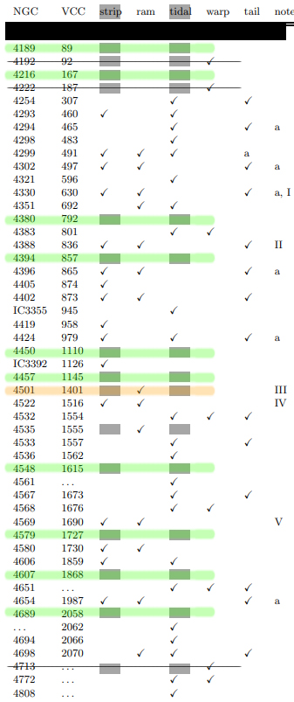
 |  |  |  | # black rectangles indicate the first selection stage: only those uninfluenced by STRIP and TIDAL were selected
 |  |  |  | # next, a black strike line eliminating those impacteed by WARP
 |  |  |  | # finally a green line to indicate inclusion. Note 4501 is included despite being influenced by RAM pressure.
 |  |  |  | # note: 4450 exlcluded because Nil data was available in table 1

